Results
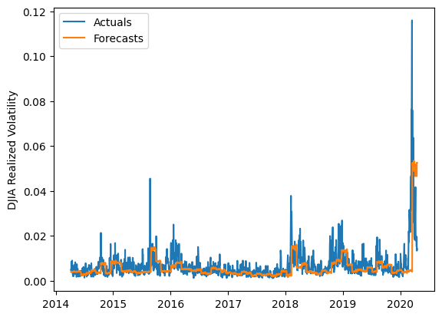
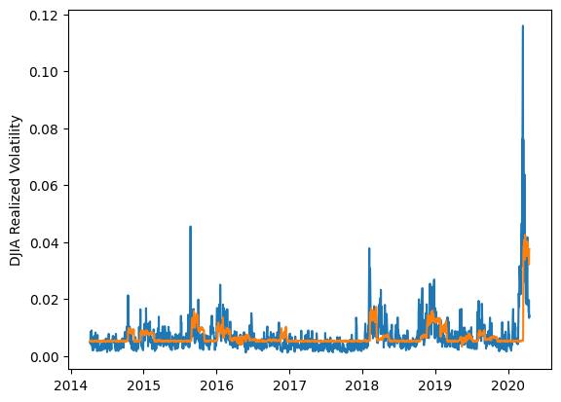
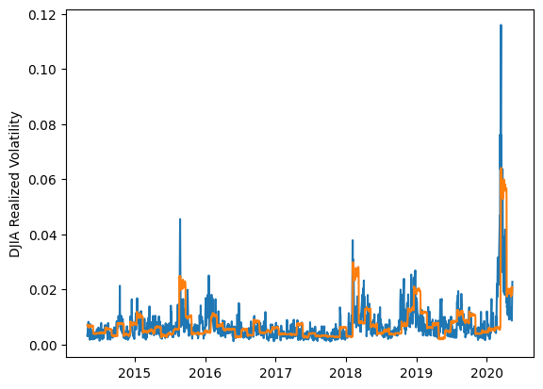
 | LSTM |  |  | TCN |  |  | NBEATSx |  |  |  |  | LSTM |  |  | TCN |  |  | NBEATSx
 | Accuracy | RMSE | Qlike | Accuracy | RMSE | Qlike | Accuracy | RMSE | Qlike |  |  | Accuracy | RMSE | Qlike | Accuracy | RMSE | Qlike | Accuracy | RMSE | Qlike
Trial 1 | 57.10% | 0.318% | 0.155 | 44.54% | 0.310% | 0.191 | 44.22% | 0.359% | 0.210 |  | Mean | 48.07% | 0.328% | 0.179 | 45.02% | 0.310% | 0.189 | 44.62% | 0.358% | 0.212
Trial 2 | 53.13% | 0.311% | 0.157 | 44.38% | 0.308% | 0.190 | 42.43% | 0.374% | 0.219 |  | Standard Deviation | 7.27% | 0.019% | 0.026 | 3.50% | 0.008% | 0.015 | 1.14% | 0.008% | 0.007
Trial 3 | 51.83% | 0.312% | 0.161 | 45.02% | 0.321% | 0.187 | 44.83% | 0.356% | 0.204 |  | 95% CI upper bound | 62.61% | 0.365% | 0.232 | 52.02% | 0.325% | 0.218 | 46.90% | 0.373% | 0.226
Trial 4 | 52.23% | 0.318% | 0.163 | 47.89% | 0.304% | 0.177 | 44.73% | 0.361% | 0.222 |  | 95% CI lower bound | 33.52% | 0.291% | 0.126 | 38.02% | 0.294% | 0.159 | 42.35% | 0.343% | 0.198
Trial 5 | 47.25% | 0.329% | 0.179 | 47.01% | 0.302% | 0.183 | 43.72% | 0.364% | 0.211 |  | 99.7% CI upper bound | 69.89% | 0.384% | 0.258 | 55.52% | 0.333% | 0.233 | 48.04% | 0.381% | 0.233
Trial 6 | 51.24% | 0.316% | 0.163 | 34.21% | 0.329% | 0.237 | 45.57% | 0.352% | 0.206 |  | 99.7% CI lower bound | 26.24% | 0.272% | 0.100 | 34.52% | 0.287% | 0.144 | 41.21% | 0.335% | 0.192
Trial 7 | 37.02% | 0.343% | 0.219 | 41.64% | 0.318% | 0.200 | 43.65% | 0.363% | 0.212
Trial 8 | 42.19% | 0.331% | 0.197 | 44.72% | 0.313% | 0.190 | 45.47% | 0.355% | 0.223
Trial 9 | 48.25% | 0.331% | 0.178 | 47.05% | 0.304% | 0.183 | 44.85% | 0.358% | 0.214
Trial 10 | 55.61% | 0.330% | 0.165 | 46.93% | 0.305% | 0.179 | 44.92% | 0.357% | 0.211
Trial 11 | 42.56% | 0.345% | 0.197 | 46.76% | 0.307% | 0.182 | 47.33% | 0.339% | 0.196
Trial 12 | 55.88% | 0.304% | 0.149 | 49.10% | 0.300% | 0.173 | 44.25% | 0.359% | 0.215
Trial 13 | 33.53% | 0.381% | 0.238 | 44.07% | 0.310% | 0.189 | 45.34% | 0.352% | 0.210
Trial 14 | 52.52% | 0.319% | 0.161 | 45.93% | 0.306% | 0.185 | 43.37% | 0.366% | 0.216
Trial 15 | 40.63% | 0.332% | 0.204 | 46.03% | 0.312% | 0.184 | 44.67% | 0.357% | 0.213

 | LSTM (best trial) |  |  |  |  |  |  |  |  | TCN (best trial) |  |  |  |  |  |  |  |  | NBEATSx (best trial)

